Proforma Invoice
Total Amount: | #REF!

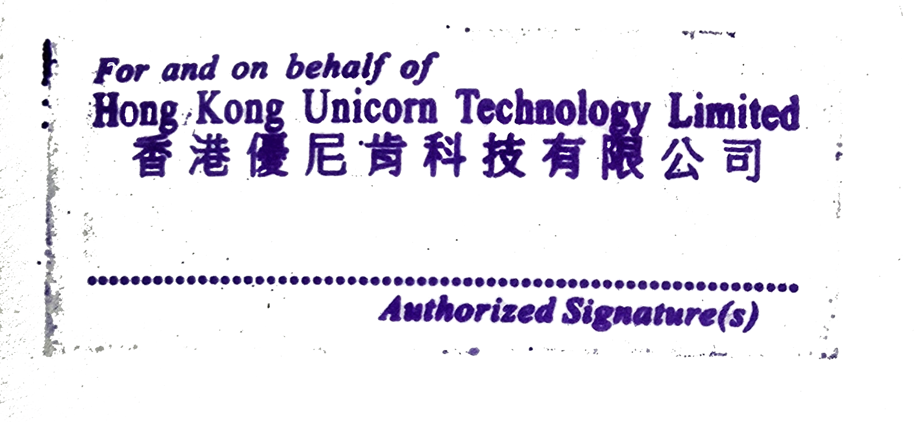
TERMS & CONDITIONS
1. Currency: USD
2. Trade Terms: DAP – Delivered at Place
3. Payment time: Payment before shipment
4. Quality Warranty: 1 year from delivery date
5. This PI requires company stamp/seal before confirmation

PAYMENT METHOD – BANK TRANSFER
Account number：79969000638306 Account name：Hong Kong Unicorn Technology Limited SWIFT/BIC code：DHBKHKHH Bank name：DBS Bank (Hong Kong) Limited Bank address：11th Floor, The Center, 99 Queen's Road Central, Central, Hong Kong Country/region：Hong Kong (China) Account type：Business Account Sort code：016 Branch code：478

THANK YOU FOR YOUR BUSINESS!

